Bug_Sheet
Bug ID | Title / Summary | Steps to Reproduce | Environment | Date | Build No | Expected Behavior | Actual Behaviour | Priority | Severity | Status | Assigned To | Screenshot / recording | Reported By
BUG001 | Prepopulated field is not clickable and editable 1. Employee ID 2. Date of Birth 3. Expiry date | 1. Login to Orange HRM 2. Click on My info Module 3. Click on Maritial status dropdown 4. Observe the appreance of "Prepopulated field" | QA | 17-09-2024 | B01 | pre populated field and not editable | all the field are editable | p1 | Critical | New / Open | Akash sir |  | Shubham
BUG002 | Custom Fields is directly save wihtout any data insert | 1. Login to Orange HRM 2. Click on My info Module 2.Custom Fields field | QA | 17-09-2024 | B02 | custome field have on of field is required | its show restriction on when you saved without insert any data in cutom field | P2 | Critical | New / Open |  |  | Shubham
BUG003 | The system allowed special characters in company name and The all data saved successfully. | 1.Navigate to the Qualification Module 2.Click on add button for add Work Experience. 3.Click on the company name 4.Click on the job title 5.Click on the From Date 6.Click on the To Date 9.Click on the Comment 8.Click on the Save button | QA | 24-09-2024 | B03 | The system should be reject the input and display an error message stating that special characters are not allowed. | Actual Behaviour | p1 | Critical | New / Open | Akash sir |  | vasim.s
BUG004 | The system allowed future date in To date colume | 1.Navigate to the Qualification Module 2.Click on add button for add Work Experience. 3.Click on the company name 4.Click on the job title 5.Click on the From Date 6.Click on the To Date 7.Click on the Comment 8.Click on the Save button | QA | 24-09-2024 | B04 | The system should be reject the date and show an error message indicating that future dates are not allowed. | Actual Behaviour | p1 | Critical | New / Open | Akash sir |  | vasim.s
BUG005 | Subscription Commence Date allows future dates | 1.go to the login page 2.Enter valid credentials. 3.Click on the login button 4.Click on the "My Info" menu in the dashboard 5.Navigate to Membership 6.Add new membership 7.Set a future commence date .Save changes | QA | 24-09-2024 | B05 | System should disallow future dates and Error message displayed for future date | Subscription Commence Date is allowing future dates | p1 | Critical | New / Open | Akash sir | https://opensource-demo.orangehrmlive.com/web/index.php/pim/viewMemberships/empNumber/7 | Govind W
BUG006 | Street1 allows special characters | 1.go to the login page 2.Enter valid credentials. 3.Click on the login button 4.Click on the "My Info" menu in the dashboard 5.Navigate to Contact Details. 6.Enter invalid characters (e.g., "#$%^abcd") in the Street1 field. 7. Save changes | QA | 24-09-2024 | B06 | Street1 should accept only alphanumeric characters and limited symbols (e.g., periods, hyphens) | Street1 allows special characters | P2 | Medium | New / Open | Akash sir | https://opensource-demo.orangehrmlive.com/web/index.php/pim/contactDetails/empNumber/7 | Govind W
BUG007 | Country dropdown missing certain countries | 1.go to the login page 2.Enter valid credentials. 3.Click on the login button 4.Click on the "My Info" menu in the dashboard 5.Navigate to Contact Details. 6.Open the Country dropdown. 7.Search for specific countries not listed | QA | 24-09-2024 | B07 | The Country dropdown should include all recognized countries in the world, allowing users to accurately select their country of residence. | missing smaller countries | P2 | High | New / Open | Akash sir | https://opensource-demo.orangehrmlive.com/web/index.php/pim/contactDetails/empNumber/7 | Govind W
BUG008 | Zip/Postal code accepts alphabets | 1.go to the login page 2.Enter valid credentials. 3.Click on the login button 4.Click on the "My Info" menu in the dashboard 5.Navigate to Contact Details. 6.Enter letters in the Zip/Postal code field (e.g., "ABC123"). 7.Save changes. | QA | 24-09-2024 | B08 | Zip/Postal code field should allow only numbers in specific regions. | Zip/Postal code accepting alphabetic characters | p1 | High | New / Open | Akash sir | https://opensource-demo.orangehrmlive.com/web/index.php/pim/contactDetails/empNumber/7 | Govind W
BUG009 | State/Province does not match with country | 1.go to the login page 2.Enter valid credentials. 3.Click on the login button 4.Click on the "My Info" menu in the dashboard 5.Navigate to Contact Details. 6.Select a country like "India." 7.Enter a non-existent state like "Texas". 8.Save changes. | QA | 24-09-2024 | B09 | State/Province field should validate based on the selected country (e.g., restrict certain states for some countries). | State/Province does not match with country and accepting non-existent state | p3 | Medium | New / Open | Akash sir | https://opensource-demo.orangehrmlive.com/web/index.php/pim/contactDetails/empNumber/7 | Govind W
BUG010 | Telephone Home field allows invalid phone numbers format | 1.go to the login page 2.Enter valid credentials. 3.Click on the login button 4.Click on the "My Info" menu in the dashboard 5.Navigate to Contact Details. 6.Enter an invalid phone number format (e.g., "++/-123"). 7.Check error message on save. | QA | 24-09-2024 | B10 | Error message should display for invalid numbers format, it should be more descriptive | Telephone Home field accepting invalid phone numbers format | p3 | Low | New / Open | Akash sir | https://opensource-demo.orangehrmlive.com/web/index.php/pim/contactDetails/empNumber/7 | Govind W
BUG011 | Telephone Mobile field allows invalid phone numbers format | 1.go to the login page 2.Enter valid credentials. 3.Click on the login button 4.Click on the "My Info" menu in the dashboard 5.Navigate to Contact Details. 6.Enter an invalid phone number format (e.g., "++/-123"). 7.Check error message on save. | QA | 24-09-2024 | B11 | Error message should display for invalid numbers format, it should be more descriptive | Telephone Mobile field accepting invalid phone numbers format | p3 | Low | New / Open | Akash sir | https://opensource-demo.orangehrmlive.com/web/index.php/pim/contactDetails/empNumber/7 | Govind W
BUG012 | Telephone Work field allows invalid phone numbers format | 1.go to the login page 2.Enter valid credentials. 3.Click on the login button 4.Click on the "My Info" menu in the dashboard 5.Navigate to Contact Details. 6.Enter an invalid phone number format (e.g., "++/-123"). 7.Check error message on save. | QA | 24-09-2024 | B12 | Error message should display for invalid numbers format, it should be more descriptive | Telephone Work field accepting invalid phone numbers format | p3 | Low | New / Open | Akash sir | https://opensource-demo.orangehrmlive.com/web/index.php/pim/contactDetails/empNumber/7 | Govind W
BUG013 | Save button remains inactive before updating a perticular field | 1.go to the login page 2.Enter valid credentials. 3.Click on the login button 4.Click on the "My Info" menu in the dashboard 5.Navigate to Contact Details. 6.Update any field (e.g., mobile number). 7.Check if Save button remains disabled. | QA | 24-09-2024 | B13 | The Save button should activate once any field is updated. | Save button is active | p1 | Critical | New / Open | Akash sir | https://opensource-demo.orangehrmlive.com/web/index.php/pim/contactDetails/empNumber/7 | Govind W
BUG014 | "Name" field accepts numeric values. | 1.Go to the login page. 2.Enter valid credentials. 3.Click on login button. 4.Click on "My Info" present in the menu. 5.Click on "Dependents" present under My Info. 6.Click on "Add" button. 7.Click on "Name" field. 8.Enter some numeric values in the field(e.g., "123564"). | QA | 25-09-2024 | B14 | Error message should pop-up for invalid inputs. | Name field accepting the numeric values and user is able to save the the record. | p1 | Medium | New / Open | Akash sir |  | Sonali
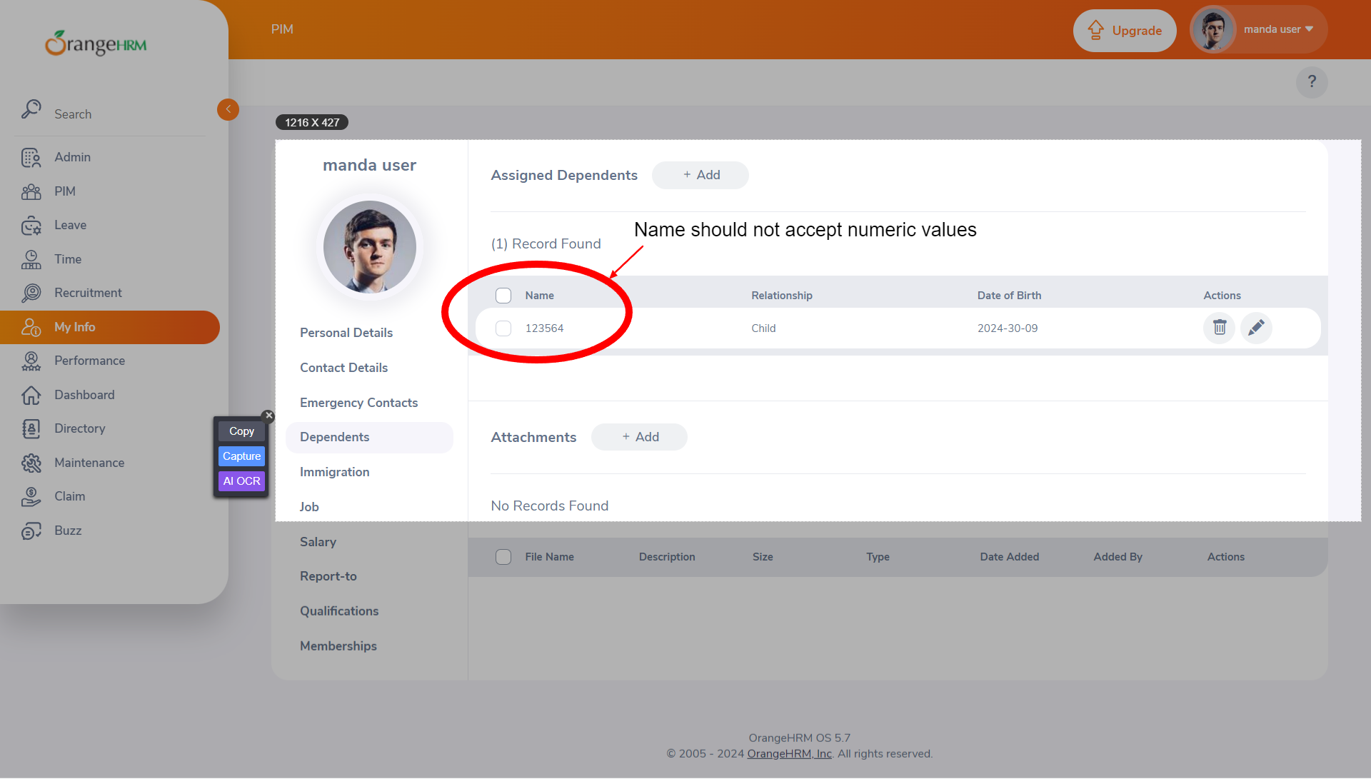
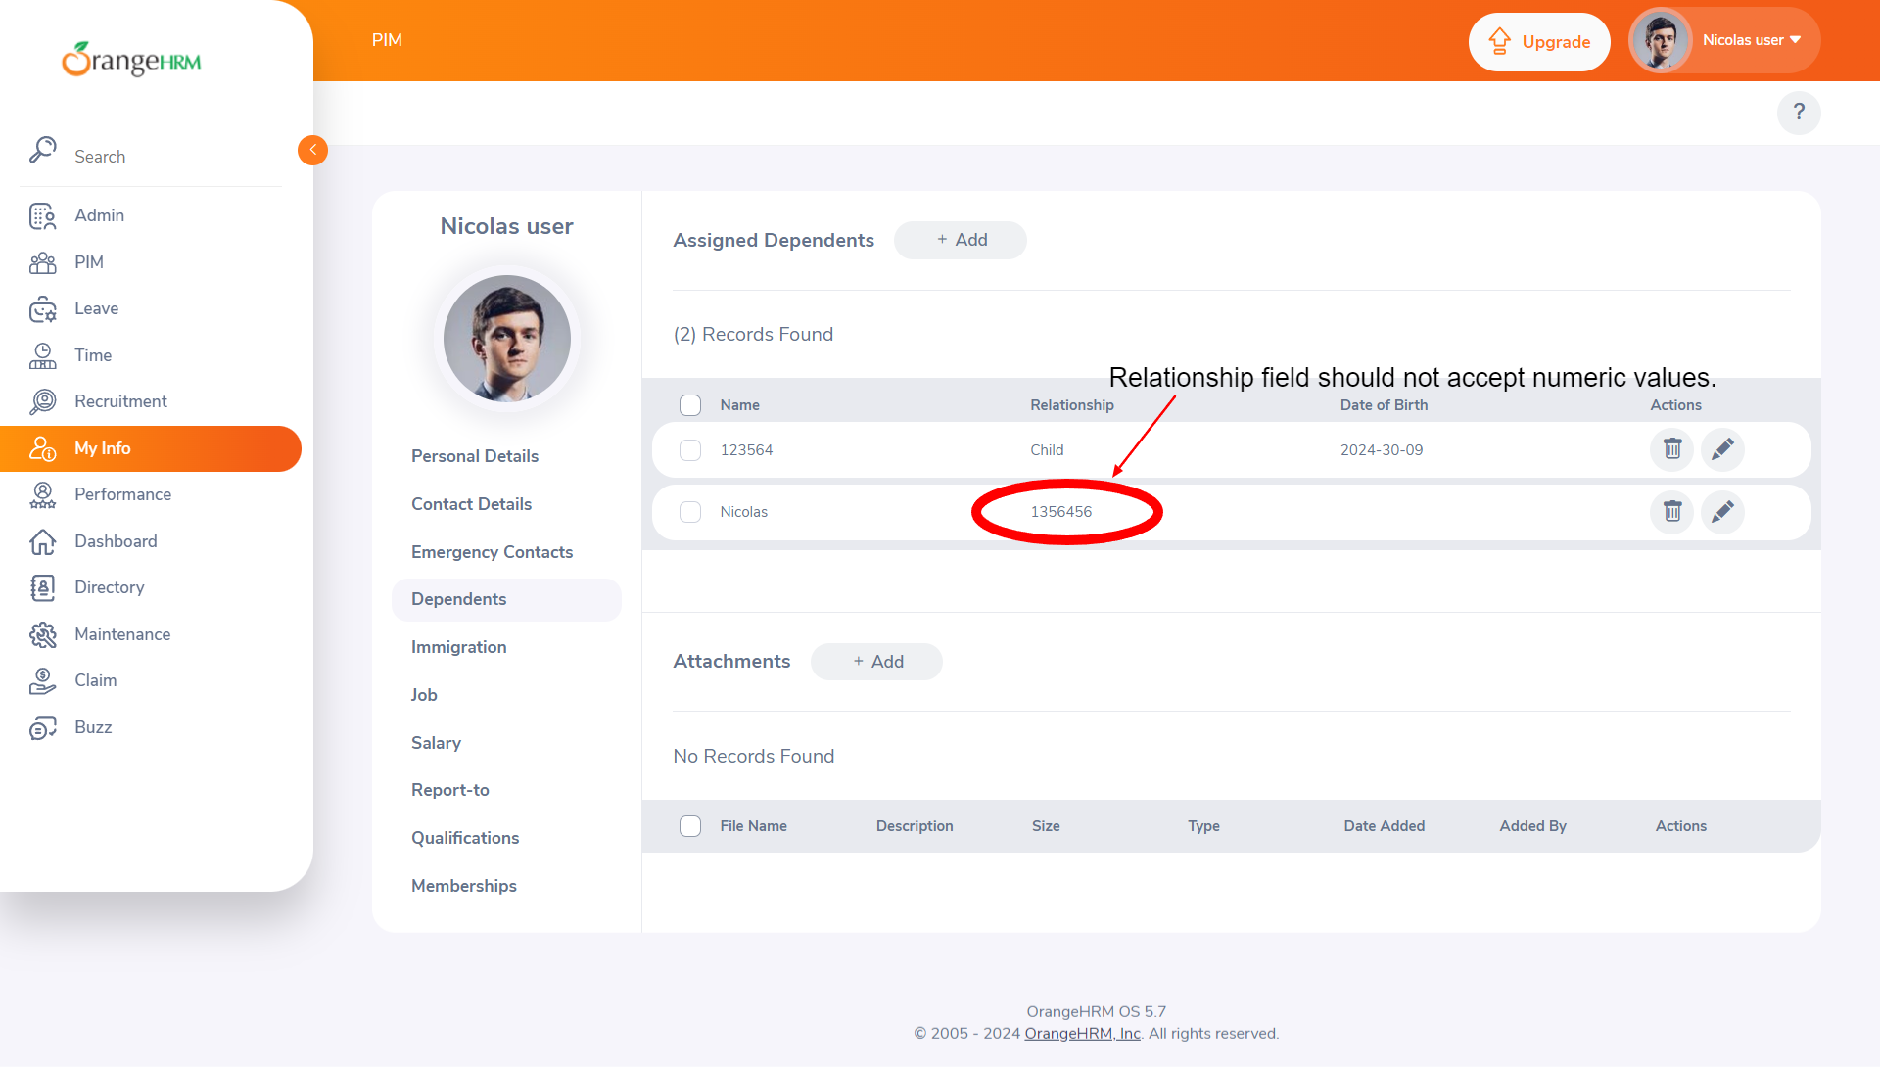
BUG015 | "Please Specify" field under the field "Relationship" accepts the numeric values. | 1.Go to the login page. 2.Enter valid credentials. 3.Click on login button. 4.Click on "My Info" present in the menu. 5.Click on "Dependents" present under My Info. 6.Click on "Add" button of 'Assigned Dependents'. 7.Click on "Relationship" field dropdown arrow. 8.Click on "Other" option. 9.Enter some numeric values in the "Please Specify" field(e.g., "1356456"). | QA | 25-09-2024 | B15 | Error message should pop-up for invalid inputs. | Please Specify field accepting the numeric values and user is able to save the the record. | p1 | Medium | New / Open | Akash sir |  | Sonali
BUG016 | "DOB" field accepts future date. | "1. Go to the login page. 2. Enter valid credentials. 3. Click on login button. 4. Click on ""My Info"" present in the menu. 5. Click on ""Dependents"" present under My Info. 6. Click on ""Add"" button. 7. Enter values in ""Name"" field. 8. Select ""Relationship'. 9. Click on ""DOB"" field. 10. Enter ""DOB"" as '2024-31-12'. 11. Click on ""Save"" button." | QA | 25-09-2024 | B16 |  |  |  |  |  |  |  | Sonali
BUG017 | Name field in "Emergency Contact" details accepting the Numeric Values and Special Characters | 1. Login to OrangeHrm 2. Click on My Info 3. Then go to the Emergency Contact page 4. Click on "Add" button 5. Click on Name field 6. Enter name which contains numeric values OR Enter name which contains special characters. 7. Fill the all required fields 8. Then click on "Save" button | QA | 25-09-2024 | B17 | Name which contains numeric values and any kind of special character then the name should not be accepted | Name field is accepting the name or set of characters having integer values and special characters | P2 | Medium | New / Open | Aakash Sir |  | Anjali
BUG018 | Relationship field in "Emergency Contact" details accepting the Numeric Values and Special Characters | 1. Login to OrangeHrm 2. Click on My Info 3. Then go to the Emergency Contact page 4. Click on "Add" button 5. Click on "Relationship" field 6. Enter relationship which contains numeric values OR Enter relationship which contains special characters. 7. Fill the all required fields 8. Then click on "Save" button | QA | 25-09-2024 | B18 | Relationship which contains numeric values and any kind of special character then the name should not be accepted | Relationship field is accepting the name or set of characters having integer values and special characters | P2 | Medium | New / Open | Aakash Sir |  | Anjali
BUG019 | UI Layout for Report-to Tab is not clickable and editable | 1.go to the login page 2.enter the username 3.enter the password 4.Click on the login button 5.Click on the ""My Info"" module . 6. Click on the "Report-to" tab | QA | 26-09-2024 | B19 | pre populated field and not editable | all the field are editable | P1 | Medium | New / Open | Aakash Sir |  | Sitaram Gawas
BUG020 | There is records of Assigned Supervisors | 1.go to the login page 2.enter the username 3.enter the password 4.Click on the login button 5.Click on the ""My Info"" module . 6. Click on the "Report-to" tab | QA | 26-09-2024 | B20 | There is no record of Assigned Supervisors | There is record for Assigned Supervisors | P1 | Medium | New / Open | Aakash Sir |  | Sitaram Gawas
BUG021 | verify employee id is prepopulated | 1.my info 2.click on personal details 3. employees id | QA | 26-09-2025 | B21 | prepopulated | filed were editable | P1 | Medium | New / Open | Aakash Sir |  | Mayur Kolhe
BUG022 | verify driving licences number is prepopulated | 1.my info 2.click on personal details 3.driving lic no. | QA | 26-09-2026 | B22 | prepopulated | filed were editable | P1 | High | New / Open | Aakash Sir |  | Mayur Kolhe
BUG023 | verify user should not be able to edit date of birth (prepopulated) | 1.my info 2.click on personal details 3.date of birth | QA | 26-09-2026 | B23 | prepopulated | filed were editable | P1 | Medium | New / Open | Aakash Sir |  | Mayur Kolhe
BUG024 | Score Field Accepts 1)Characters 2)Alphanumeric Values 3)Special Characters | 1.go to the login page 2.Enter valid credentials. 3.Click on the login button 4.Click on the "My Info" menu in the dashboard 5.Click on the "Qualifiacation" 6.Click on "Education + Add" Button 7.Clicl on Score | QA | 27-09-2024 | B24 | Error message should display for invalid numbers format | Score Field Allowed Characters,Special Character , Alphanumeric Values | P2 | Medium | New / Open | Aakash Sir | https://opensource-demo.orangehrmlive.com/web/index.php/pim/viewQualifications/empNumber/7 | Minakshi
BUG025 | Records is not deleted after clicking on Delete Button | 1.go to the login page 2.Enter valid credentials. 3.Click on the login button 4.Click on the "My Info" menu in the dashboard 5.Click on the "Qualifiacation" 6.Click on "Education + Add" Button 7.Click on Score | QA | 27-09-2024 | B25 | Clicking on Delete Button Records will be deleted | Not deleted records,its shown as it is | P1 | Critical | New / Open | Aakash Sir | https://opensource-demo.orangehrmlive.com/web/index.php/pim/viewQualifications/empNumber/7 | Minakshi

